Data
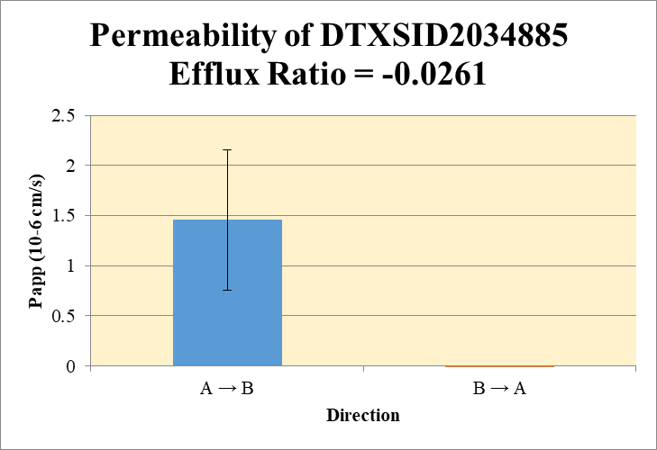
SampleName | CompoundName | Transition | Area | ISTD Area | ISTDResponseRatio | A → B | Volume | RR1 | RR2 | RR3 | RR Mean | RR SD
Blank 1_A_B__1______Inj EPA_Caco2_R5_Pa55_202026Sep_Inj003 | DTXSID2034885 | 320.8 / 288.8 | 42.3 | 9865000 | 4.2882E-06 | Donor | 0.0750 | 0.000346 | 0.000961 |  | 0.000654 | 0.000436 | A → B | 1.46 | 0.699
Blank 1_A_B__2______Inj EPA_Caco2_R5_Pa55_202026Sep_Inj004 | DTXSID2034885 | 320.8 / 288.8 | 21.24 | 9891000 | 2.1474E-06 | Receiver | 0.250 | 0.000227 | 0.000116 |  | 0.000172 | 7.83E-05 | B → A | -0.0264 | 0.0304
Blank 1_B_A__3______Inj EPA_Caco2_R5_Pa55_202026Sep_Inj005 | DTXSID2034885 | 320.8 / 288.8 | 160.7 | 9685000 | 1.65906E-05 | Dosing | 0.0750 | 0.0367 | 0.0381 |  | 0.0374 | 0.000959
Blank 1_B_A__4______Inj EPA_Caco2_R5_Pa55_202026Sep_Inj006 | DTXSID2034885 | 320.8 / 288.8 | 262 | 9708000 | 0.000026986 | Standard
DTXSID2034885_A_B_rec_1______Inj EPA_Caco2_R5_Pa55_202026Sep_Inj025 | DTXSID2034885 | 320.8 / 288.8 | 574.3 | 9576000 | 5.99755E-05 | Blank |  | 4.29E-06 | 2.15E-06 |  | 3.22E-06 | 1.51E-06
DTXSID2034885_A_B_rec_2______Inj EPA_Caco2_R5_Pa55_202026Sep_Inj026 | DTXSID2034885 | 320.8 / 288.8 | 313.9 | 9724000 | 0.000032281 | dq/dt |  | 7.88E-09 | 4.04E-09 |  | 5.96E-09 | 2.72E-09
DTXSID2034885_A_B_dos_1______Inj EPA_Caco2_R5_Pa55_202026Sep_Inj169 | DTXSID2034885 | 320.8 / 288.8 | 92150 | 10040000 | 0.0091821051 | Co |  | 0.0367 | 0.0381 |  | 0.0374 | 0.000959
DTXSID2034885_A_B_dos_2______Inj EPA_Caco2_R5_Pa55_202026Sep_Inj170 | DTXSID2034885 | 320.8 / 288.8 | 94180 | 9891000 | 0.0095210966 | Recovery |  | 3.00% | 3.54% |  | 3.27% | 0.383%
DTXSID2034885_A_B_don_1______Inj EPA_Caco2_R5_Pa55_202026Sep_Inj097 | DTXSID2034885 | 320.8 / 288.8 | 899.5 | 10040000 | 8.96036E-05 | Papp |  | 1.95 | 0.96 |  | 1.46 | 0.699
DTXSID2034885_A_B_don_2______Inj EPA_Caco2_R5_Pa55_202026Sep_Inj098 | DTXSID2034885 | 320.8 / 288.8 | 2370 | 9729000 | 0.0002435876
DTXSID2034885_B_A_rec_1______Inj EPA_Caco2_R5_Pa55_202026Sep_Inj061 | DTXSID2034885 | 320.8 / 288.8 | 209.4 | 9804000 | 2.13555E-05 | B → A
DTXSID2034885_B_A_rec_2______Inj EPA_Caco2_R5_Pa55_202026Sep_Inj062 | DTXSID2034885 | 320.8 / 288.8 | 166.8 | 9891000 | 0.000016859 | Donor | 0.250 | 0.0230 | 0.0203 |  | 0.0217 | 0.00192
DTXSID2034885_B_A_dos_1______Inj EPA_Caco2_R5_Pa55_202026Sep_Inj205 | DTXSID2034885 | 320.8 / 288.8 | 87620 | 10410000 | 0.0084198328 | Receiver | 0.0750 | -1.73E-06 | -1.97E-05 |  | -1.07E-05 | 1.27E-05
DTXSID2034885_B_A_dos_2______Inj EPA_Caco2_R5_Pa55_202026Sep_Inj206 | DTXSID2034885 | 320.8 / 288.8 | 98680 | 10090000 | 0.0097767073 | Dosing | 0.250 | 0.0336 | 0.0390 |  | 0.0363 | 0.00384
DTXSID2034885_B_A_don_1______Inj EPA_Caco2_R5_Pa55_202026Sep_Inj133 | DTXSID2034885 | 320.8 / 288.8 | 56130 | 9719000 | 0.0057746608 | Standard
DTXSID2034885_B_A_don_2______Inj EPA_Caco2_R5_Pa55_202026Sep_Inj134 | DTXSID2034885 | 320.8 / 288.8 | 49670 | 9748000 | 0.005095499 | Blank |  | 1.66E-05 | 2.70E-05 |  | 2.18E-05 | 7.35E-06
 |  |  |  | Dilution | 4.00 | dq/dt |  | -1.80E-11 | -2.05E-10 |  | -1.12E-10 | 1.32E-10 | Test Article | Test Conc (µM) | Parameter | Papp (10-6 cm/s) Rep-1 | Papp (10-6 cm/s) Rep-2 | Papp (10-6 cm/s) Rep-3 | Recovery
 |  |  |  | Chamber Surface Area | 0.110 | Co |  | 0.0336 | 0.0390 |  | 0.0363 | 0.00384 |  |  | A → B | 1.95 | 0.96 |  | 3.27%
 |  |  |  | Sampling Period (hrs) | 2.00 | Recovery |  | 68.5% | 52.0% |  | 60.2% | 11.7% | DTXSID2034885 | 10.0 | B → A | -0.005 | -0.048 |  | 60.2%
 |  |  |  | Test Concentration (µM) | 10.0 | Papp |  | -0.005 | -0.048 |  | -0.0264 | 0.0304 |  |  | Efflux Ratio | -0.003 | -0.050
 |  |  |  |  |  | Efflux Ratio |  | -0.003 | -0.050 |  | -0.0261 | 0.0333

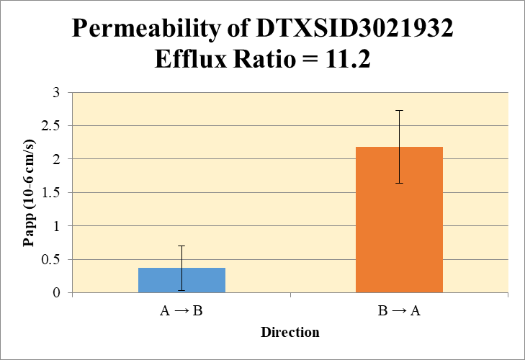
 |  |  |  |  |  | A → B
Blank 1_A_B__1______Inj EPA_Caco2_R5_Pa55_202026Sep_Inj003 | DTXSID3021932 | 106.1 / 69.8 | 62.46 | 9865000 | 6.3315E-06 | Donor | 0.0750 | 0.00680 | 0.00761 |  | 0.00721 | 0.000571 | A → B | 0.367 | 0.332
Blank 1_A_B__2______Inj EPA_Caco2_R5_Pa55_202026Sep_Inj004 | DTXSID3021932 | 106.1 / 69.8 | 33.76 | 9891000 | 3.4137E-06 | Receiver | 0.250 | 5.49E-06 | 2.49E-05 |  | 1.52E-05 | 1.38E-05 | B → A | 2.19 | 0.545
Blank 1_B_A__3______Inj EPA_Caco2_R5_Pa55_202026Sep_Inj005 | DTXSID3021932 | 106.1 / 69.8 | 85.35 | 9685000 | 8.8128E-06 | Dosing | 0.0750 | 0.0131 | 0.0131 |  | 0.0131 | 1.31E-05
Blank 1_B_A__4______Inj EPA_Caco2_R5_Pa55_202026Sep_Inj006 | DTXSID3021932 | 106.1 / 69.8 | 99.85 | 9708000 | 1.02848E-05 | Standard
DTXSID3021932_A_B_rec_1______Inj EPA_Caco2_R5_Pa55_202026Sep_Inj021 | DTXSID3021932 | 106.1 / 69.8 | 59.31 | 9499000 | 6.2447E-06 | Blank |  | 6.33E-06 | 3.41E-06 |  | 4.87E-06 | 2.06E-06
DTXSID3021932_A_B_rec_2______Inj EPA_Caco2_R5_Pa55_202026Sep_Inj022 | DTXSID3021932 | 106.1 / 69.8 | 107.4 | 9671000 | 1.11082E-05 | dq/dt |  | 1.91E-10 | 8.66E-10 |  | 5.28E-10 | 4.78E-10
DTXSID3021932_A_B_dos_1______Inj EPA_Caco2_R5_Pa55_202026Sep_Inj165 | DTXSID3021932 | 106.1 / 69.8 | 32300 | 9852000 | 0.0032779684 | Co |  | 0.0131 | 0.0131 |  | 0.0131 | 1.31E-05
DTXSID3021932_A_B_dos_2______Inj EPA_Caco2_R5_Pa55_202026Sep_Inj166 | DTXSID3021932 | 106.1 / 69.8 | 32240 | 9849000 | 0.0032733263 | Recovery |  | 52.1% | 58.9% |  | 55.5% | 4.77%
DTXSID3021932_A_B_don_1______Inj EPA_Caco2_R5_Pa55_202026Sep_Inj093 | DTXSID3021932 | 106.1 / 69.8 | 17060 | 10000000 | 0.0017058401 | Papp |  | 0.132 | 0.60 |  | 0.367 | 0.332
DTXSID3021932_A_B_don_2______Inj EPA_Caco2_R5_Pa55_202026Sep_Inj094 | DTXSID3021932 | 106.1 / 69.8 | 18880 | 9896000 | 0.0019078359
DTXSID3021932_B_A_rec_1______Inj EPA_Caco2_R5_Pa55_202026Sep_Inj057 | DTXSID3021932 | 106.1 / 69.8 | 1030 | 9522000 | 0.000108175 | B → A
DTXSID3021932_B_A_rec_2______Inj EPA_Caco2_R5_Pa55_202026Sep_Inj058 | DTXSID3021932 | 106.1 / 69.8 | 731.4 | 9620000 | 7.60361E-05 | Donor | 0.250 | 0.0139 | 0.0117 |  | 0.0128 | 0.00157
DTXSID3021932_B_A_dos_1______Inj EPA_Caco2_R5_Pa55_202026Sep_Inj201 | DTXSID3021932 | 106.1 / 69.8 | 36510 | 10020000 | 0.0036430495 | Receiver | 0.0750 | 0.000395 | 0.000266 |  | 0.000330 | 9.09E-05
DTXSID3021932_B_A_dos_2______Inj EPA_Caco2_R5_Pa55_202026Sep_Inj202 | DTXSID3021932 | 106.1 / 69.8 | 36250 | 10330000 | 0.0035081523 | Dosing | 0.250 | 0.0145 | 0.0140 |  | 0.0143 | 0.000382
DTXSID3021932_B_A_don_1______Inj EPA_Caco2_R5_Pa55_202026Sep_Inj129 | DTXSID3021932 | 106.1 / 69.8 | 34090 | 9802000 | 0.0034779537 | Standard
DTXSID3021932_B_A_don_2______Inj EPA_Caco2_R5_Pa55_202026Sep_Inj130 | DTXSID3021932 | 106.1 / 69.8 | 28370 | 9705000 | 0.0029236018 | Blank |  | 8.81E-06 | 1.03E-05 |  | 9.55E-06 | 1.04E-06
 |  |  |  | Dilution | 4.00 | dq/dt |  | 4.11E-09 | 2.77E-09 |  | 3.44E-09 | 9.47E-10 | Test Article | Test Conc (µM) | Parameter | Papp (10-6 cm/s) Rep-1 | Papp (10-6 cm/s) Rep-2 | Papp (10-6 cm/s) Rep-3 | Recovery
 |  |  |  | Chamber Surface Area | 0.110 | Co |  | 0.0145 | 0.0140 |  | 0.0143 | 0.000382 |  |  | A → B | 0.132 | 0.60 |  | 55.5%
 |  |  |  | Sampling Period (hrs) | 2.00 | Recovery |  | 96.3% | 83.9% |  | 90.1% | 8.77% | DTXSID3021932 | 10.0 | B → A | 2.57 | 1.80 |  | 90.1%
 |  |  |  | Test Concentration (µM) | 10.0 | Papp |  | 2.57 | 1.80 |  | 2.19 | 0.545 |  |  | Efflux Ratio | 19.4 | 2.99
 |  |  |  |  |  | Efflux Ratio |  | 19.4 | 2.99 |  | 11.2 | 11.6

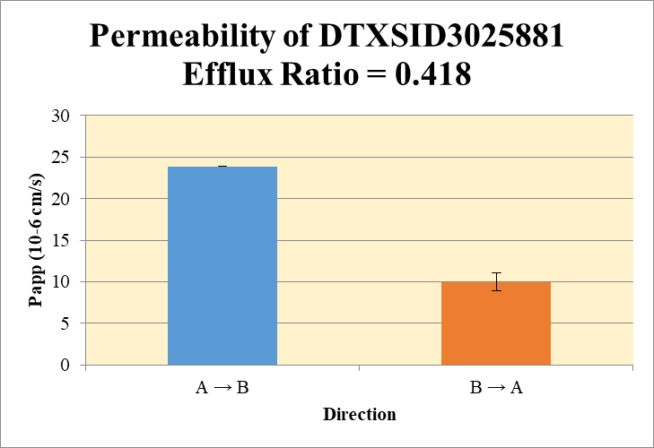
 |  |  |  |  |  | A → B
Blank 1_A_B__1______Inj EPA_Caco2_R5_Pa55_202026Sep_Inj003 | DTXSID3025881 | 109.0 / 64.7 | 152.7 | 9865000 | 1.54749E-05 | Donor | 0.0750 | 0.0162 | 0.00953 |  | 0.0129 | 0.00472 | A → B | 23.9 | 0.0370
Blank 1_A_B__2______Inj EPA_Caco2_R5_Pa55_202026Sep_Inj004 | DTXSID3025881 | 109.0 / 64.7 | 95.93 | 9891000 | 9.6985E-06 | Receiver | 0.250 | 0.0109 | 0.0107 |  | 0.0108 | 0.000104 | B → A | 9.99 | 1.08
Blank 1_B_A__3______Inj EPA_Caco2_R5_Pa55_202026Sep_Inj005 | DTXSID3025881 | 109.0 / 64.7 | 106 | 9685000 | 1.09409E-05 | Dosing | 0.0750 | 0.144 | 0.141 |  | 0.143 | 0.00159
Blank 1_B_A__4______Inj EPA_Caco2_R5_Pa55_202026Sep_Inj006 | DTXSID3025881 | 109.0 / 64.7 | 666.3 | 9708000 | 6.86301E-05 | Standard
DTXSID3025881_A_B_rec_1______Inj EPA_Caco2_R5_Pa55_202026Sep_Inj027 | DTXSID3025881 | 109.0 / 64.7 | 24960 | 9149000 | 0.0027280672 | Blank |  | 1.55E-05 | 9.70E-06 |  | 1.26E-05 | 4.08E-06
DTXSID3025881_A_B_rec_1______Inj EPA_Caco2_R5_Pa55_202026Sep_Inj040 | DTXSID3025881 | 109.0 / 64.7 | 27920 | 10380000 | 0.0026914416 | dq/dt |  | 3.77E-07 | 3.72E-07 |  | 3.75E-07 | 3.60E-09
DTXSID3025881_A_B_dos_1______Inj EPA_Caco2_R5_Pa55_202026Sep_Inj171 | DTXSID3025881 | 109.0 / 64.7 | 361500 | 10060000 | 0.0359420766 | Co |  | 0.144 | 0.141 |  | 0.143 | 0.00159
DTXSID3025881_A_B_dos_1______Inj EPA_Caco2_R5_Pa55_202026Sep_Inj184 | DTXSID3025881 | 109.0 / 64.7 | 408700 | 11550000 | 0.0353798075 | Recovery |  | 36.5% | 32.0% |  | 34.2% | 3.17%
DTXSID3025881_A_B_don_1______Inj EPA_Caco2_R5_Pa55_202026Sep_Inj099 | DTXSID3025881 | 109.0 / 64.7 | 40200 | 9894000 | 0.0040636656 | Papp |  | 23.9 | 23.9 |  | 23.9 | 0.0370
DTXSID3025881_A_B_don_1______Inj EPA_Caco2_R5_Pa55_202026Sep_Inj112 | DTXSID3025881 | 109.0 / 64.7 | 24530 | 10240000 | 0.0023950638
DTXSID3025881_B_A_rec_1______Inj EPA_Caco2_R5_Pa55_202026Sep_Inj063 | DTXSID3025881 | 109.0 / 64.7 | 40400 | 9692000 | 0.0041681099 | B → A
DTXSID3025881_B_A_rec_1______Inj EPA_Caco2_R5_Pa55_202026Sep_Inj076 | DTXSID3025881 | 109.0 / 64.7 | 40240 | 10210000 | 0.0039392258 | Donor | 0.250 | 0.0992 | 0.0955 |  | 0.0974 | 0.00261
DTXSID3025881_B_A_dos_1______Inj EPA_Caco2_R5_Pa55_202026Sep_Inj207 | DTXSID3025881 | 109.0 / 64.7 | 372400 | 10240000 | 0.0363816713 | Receiver | 0.0750 | 0.0165 | 0.0156 |  | 0.0161 | 0.000647
DTXSID3025881_B_A_dos_1______Inj EPA_Caco2_R5_Pa55_202026Sep_Inj220 | DTXSID3025881 | 109.0 / 64.7 | 414000 | 10330000 | 0.0400765763 | Dosing | 0.250 | 0.145 | 0.160 |  | 0.153 | 0.0105
DTXSID3025881_B_A_don_1______Inj EPA_Caco2_R5_Pa55_202026Sep_Inj135 | DTXSID3025881 | 109.0 / 64.7 | 243100 | 9782000 | 0.0248481027 | Standard
DTXSID3025881_B_A_don_1______Inj EPA_Caco2_R5_Pa55_202026Sep_Inj148 | DTXSID3025881 | 109.0 / 64.7 | 240900 | 10070000 | 0.0239261076 | Blank |  | 1.09E-05 | 6.86E-05 |  | 3.98E-05 | 4.08E-05
 |  |  |  | Dilution | 4.00 | dq/dt |  | 1.72E-07 | 1.62E-07 |  | 1.67E-07 | 6.74E-09 | Test Article | Test Conc (µM) | Parameter | Papp (10-6 cm/s) Rep-1 | Papp (10-6 cm/s) Rep-2 | Papp (10-6 cm/s) Rep-3 | Recovery
 |  |  |  | Chamber Surface Area | 0.110 | Co |  | 0.145 | 0.160 |  | 0.153 | 0.0105 |  |  | A → B | 23.9 | 23.9 |  | 34.2%
 |  |  |  | Sampling Period (hrs) | 2.00 | Recovery |  | 71.7% | 62.6% |  | 67.1% | 6.43% | DTXSID3025881 | 10.0 | B → A | 10.8 | 9.22 |  | 67.1%
 |  |  |  | Test Concentration (µM) | 10.0 | Papp |  | 10.8 | 9.22 |  | 9.99 | 1.08 |  |  | Efflux Ratio | 0.451 | 0.386
 |  |  |  |  |  | Efflux Ratio |  | 0.451 | 0.386 |  | 0.418 | 0.0461

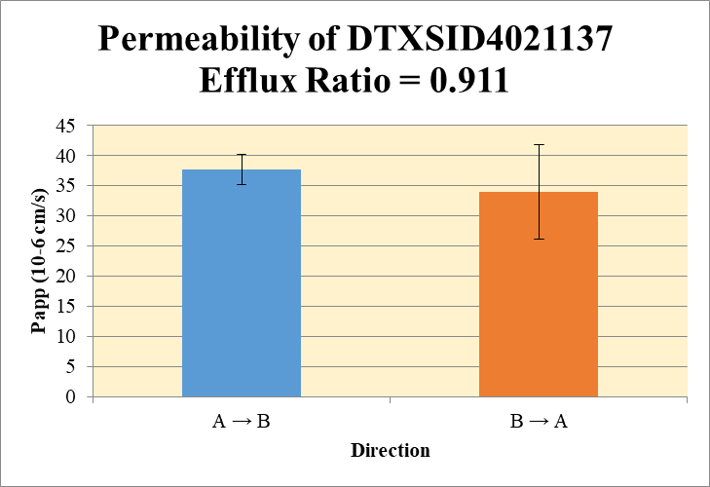
 |  |  |  |  |  | A → B
Blank 1_A_B__1______Inj EPA_Caco2_R5_Pa55_202026Sep_Inj003 | DTXSID4021137 | 109.0 / 64.7 | 229.6 | 9865000 | 2.32746E-05 | Donor | 0.0750 | 0.00400 | 0.00421 |  | 0.00411 | 0.000151 | A → B | 37.6 | 2.53
Blank 1_A_B__2______Inj EPA_Caco2_R5_Pa55_202026Sep_Inj004 | DTXSID4021137 | 109.0 / 64.7 | 185 | 9891000 | 1.87002E-05 | Receiver | 0.250 | 0.00151 | 0.00141 |  | 0.00146 | 6.86E-05 | B → A | 33.9 | 7.83
Blank 1_B_A__3______Inj EPA_Caco2_R5_Pa55_202026Sep_Inj005 | DTXSID4021137 | 109.0 / 64.7 | 380.4 | 9685000 | 3.92736E-05 | Dosing | 0.0750 | 0.0121 | 0.0124 |  | 0.0123 | 0.000249
Blank 1_B_A__4______Inj EPA_Caco2_R5_Pa55_202026Sep_Inj006 | DTXSID4021137 | 109.0 / 64.7 | 156.3 | 9708000 | 1.61046E-05 | Standard
DTXSID4021137_A_B_rec_1______Inj EPA_Caco2_R5_Pa55_202026Sep_Inj015 | DTXSID4021137 | 109.0 / 64.7 | 3809 | 9562000 | 0.0003983628 | Blank |  | 2.33E-05 | 1.87E-05 |  | 2.10E-05 | 3.23E-06
DTXSID4021137_A_B_rec_2______Inj EPA_Caco2_R5_Pa55_202026Sep_Inj016 | DTXSID4021137 | 109.0 / 64.7 | 3631 | 9706000 | 0.0003741008 | dq/dt |  | 5.24E-08 | 4.90E-08 |  | 5.07E-08 | 2.38E-09
DTXSID4021137_A_B_dos_1______Inj EPA_Caco2_R5_Pa55_202026Sep_Inj159 | DTXSID4021137 | 109.0 / 64.7 | 30770 | 10110000 | 0.0030427782 | Co |  | 0.0121 | 0.0124 |  | 0.0123 | 0.000249
DTXSID4021137_A_B_dos_2______Inj EPA_Caco2_R5_Pa55_202026Sep_Inj160 | DTXSID4021137 | 109.0 / 64.7 | 32320 | 10330000 | 0.0031306509 | Recovery |  | 74.7% | 71.7% |  | 73.2% | 2.12%
DTXSID4021137_A_B_don_1______Inj EPA_Caco2_R5_Pa55_202026Sep_Inj087 | DTXSID4021137 | 109.0 / 64.7 | 10460 | 10240000 | 0.0010210333 | Papp |  | 39.4 | 35.8 |  | 37.6 | 2.53
DTXSID4021137_A_B_don_2______Inj EPA_Caco2_R5_Pa55_202026Sep_Inj088 | DTXSID4021137 | 109.0 / 64.7 | 10570 | 9842000 | 0.0010742714
DTXSID4021137_B_A_rec_1______Inj EPA_Caco2_R5_Pa55_202026Sep_Inj051 | DTXSID4021137 | 109.0 / 64.7 | 9889 | 9690000 | 0.0010205235 | B → A
DTXSID4021137_B_A_rec_2______Inj EPA_Caco2_R5_Pa55_202026Sep_Inj052 | DTXSID4021137 | 109.0 / 64.7 | 12510 | 9784000 | 0.0012782207 | Donor | 0.250 | 0.00566 | 0.00844 |  | 0.00705 | 0.00196
DTXSID4021137_B_A_dos_1______Inj EPA_Caco2_R5_Pa55_202026Sep_Inj195 | DTXSID4021137 | 109.0 / 64.7 | 33480 | 10020000 | 0.0033399204 | Receiver | 0.0750 | 0.00397 | 0.00500 |  | 0.00449 | 0.000729
DTXSID4021137_B_A_dos_2______Inj EPA_Caco2_R5_Pa55_202026Sep_Inj196 | DTXSID4021137 | 109.0 / 64.7 | 30560 | 10090000 | 0.0030284363 | Dosing | 0.250 | 0.0132 | 0.0120 |  | 0.0126 | 0.000881
DTXSID4021137_B_A_don_1______Inj EPA_Caco2_R5_Pa55_202026Sep_Inj123 | DTXSID4021137 | 109.0 / 64.7 | 14020 | 9710000 | 0.0014436512 | Standard
DTXSID4021137_B_A_don_2______Inj EPA_Caco2_R5_Pa55_202026Sep_Inj124 | DTXSID4021137 | 109.0 / 64.7 | 20780 | 9728000 | 0.002136586 | Blank |  | 3.93E-05 | 1.61E-05 |  | 2.77E-05 | 1.64E-05
 |  |  |  | Dilution | 4.00 | dq/dt |  | 4.14E-08 | 5.21E-08 |  | 4.67E-08 | 7.59E-09 | Test Article | Test Conc (µM) | Parameter | Papp (10-6 cm/s) Rep-1 | Papp (10-6 cm/s) Rep-2 | Papp (10-6 cm/s) Rep-3 | Recovery
 |  |  |  | Chamber Surface Area | 0.110 | Co |  | 0.0132 | 0.0120 |  | 0.0126 | 0.000881 |  |  | A → B | 39.4 | 35.8 |  | 73.2%
 |  |  |  | Sampling Period (hrs) | 2.00 | Recovery |  | 51.7% | 82.8% |  | 67.3% | 21.9% | DTXSID4021137 | 10.0 | B → A | 28.4 | 39.5 |  | 67.3%
 |  |  |  | Test Concentration (µM) | 10.0 | Papp |  | 28.4 | 39.5 |  | 33.9 | 7.83 |  |  | Efflux Ratio | 0.720 | 1.10
 |  |  |  |  |  | Efflux Ratio |  | 0.720 | 1.10 |  | 0.911 | 0.269

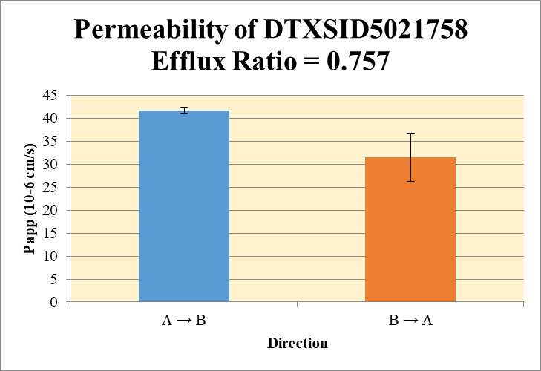
 |  |  |  |  |  | A → B
Blank 1_A_B__1______Inj EPA_Caco2_R5_Pa55_202026Sep_Inj003 | DTXSID5021758 | 399.2 / 299.2 | 102200 | 9865000 | 0.0103586671 | Donor | 0.0750 | 0.905 | 1.03 |  | 0.97 | 0.0887 | A → B | 41.7 | 0.658
Blank 1_A_B__2______Inj EPA_Caco2_R5_Pa55_202026Sep_Inj004 | DTXSID5021758 | 399.2 / 299.2 | 82320 | 9891000 | 0.0083231789 | Receiver | 0.250 | 0.246 | 0.256 |  | 0.251 | 0.00716 | B → A | 31.5 | 5.18
Blank 1_B_A__3______Inj EPA_Caco2_R5_Pa55_202026Sep_Inj005 | DTXSID5021758 | 399.2 / 299.2 | 81620 | 9685000 | 0.0084276258 | Dosing | 0.0750 | 1.88 | 1.91 |  | 1.90 | 0.0243
Blank 1_B_A__4______Inj EPA_Caco2_R5_Pa55_202026Sep_Inj006 | DTXSID5021758 | 399.2 / 299.2 | 76960 | 9708000 | 0.0079269697 | Standard
DTXSID5021758_A_B_rec_1______Inj EPA_Caco2_R5_Pa55_202026Sep_Inj019 | DTXSID5021758 | 399.2 / 299.2 | 678300 | 9590000 | 0.0707250114 | Blank |  | 0.0104 | 0.00832 |  | 0.00934 | 0.00144
DTXSID5021758_A_B_rec_2______Inj EPA_Caco2_R5_Pa55_202026Sep_Inj020 | DTXSID5021758 | 399.2 / 299.2 | 684500 | 9344000 | 0.0732557057 | dq/dt |  | 8.53E-06 | 8.88E-06 |  | 8.70E-06 | 2.49E-07
DTXSID5021758_A_B_dos_1______Inj EPA_Caco2_R5_Pa55_202026Sep_Inj163 | DTXSID5021758 | 399.2 / 299.2 | 4851000 | 10120000 | 0.4792490861 | Co |  | 1.88 | 1.91 |  | 1.90 | 0.0243
DTXSID5021758_A_B_dos_2______Inj EPA_Caco2_R5_Pa55_202026Sep_Inj164 | DTXSID5021758 | 399.2 / 299.2 | 4753000 | 9743000 | 0.4878316664 | Recovery |  | 91.7% | 98% |  | 95.0% | 4.72%
DTXSID5021758_A_B_don_1______Inj EPA_Caco2_R5_Pa55_202026Sep_Inj091 | DTXSID5021758 | 399.2 / 299.2 | 2392000 | 10150000 | 0.2356762102 | Papp |  | 41.2 | 42.2 |  | 41.7 | 0.658
DTXSID5021758_A_B_don_2______Inj EPA_Caco2_R5_Pa55_202026Sep_Inj092 | DTXSID5021758 | 399.2 / 299.2 | 2555000 | 9567000 | 0.2670219917
DTXSID5021758_B_A_rec_1______Inj EPA_Caco2_R5_Pa55_202026Sep_Inj055 | DTXSID5021758 | 399.2 / 299.2 | 1594000 | 9708000 | 0.164208582 | B → A
DTXSID5021758_B_A_rec_2______Inj EPA_Caco2_R5_Pa55_202026Sep_Inj056 | DTXSID5021758 | 399.2 / 299.2 | 1433000 | 9821000 | 0.1458823279 | Donor | 0.250 | 1.45 | 1.40 |  | 1.43 | 0.0392
DTXSID5021758_B_A_dos_1______Inj EPA_Caco2_R5_Pa55_202026Sep_Inj199 | DTXSID5021758 | 399.2 / 299.2 | 4370000 | 10210000 | 0.4281275211 | Receiver | 0.0750 | 0.624 | 0.551 |  | 0.587 | 0.0518
DTXSID5021758_B_A_dos_2______Inj EPA_Caco2_R5_Pa55_202026Sep_Inj200 | DTXSID5021758 | 399.2 / 299.2 | 4669000 | 9802000 | 0.476360105 | Dosing | 0.250 | 1.68 | 1.87 |  | 1.78 | 0.136
DTXSID5021758_B_A_don_1______Inj EPA_Caco2_R5_Pa55_202026Sep_Inj127 | DTXSID5021758 | 399.2 / 299.2 | 3631000 | 9778000 | 0.371360647 | Standard
DTXSID5021758_B_A_don_2______Inj EPA_Caco2_R5_Pa55_202026Sep_Inj128 | DTXSID5021758 | 399.2 / 299.2 | 3530000 | 9875000 | 0.3575098999 | Blank |  | 0.00843 | 0.00793 |  | 0.00818 | 0.000354
 |  |  |  | Dilution | 4.00 | dq/dt |  | 6.50E-06 | 5.74E-06 |  | 6.12E-06 | 5.40E-07 | Test Article | Test Conc (µM) | Parameter | Papp (10-6 cm/s) Rep-1 | Papp (10-6 cm/s) Rep-2 | Papp (10-6 cm/s) Rep-3 | Recovery
 |  |  |  | Chamber Surface Area | 0.110 | Co |  | 1.68 | 1.87 |  | 1.78 | 0.136 |  |  | A → B | 41.2 | 42.2 |  | 95.0%
 |  |  |  | Sampling Period (hrs) | 2.00 | Recovery |  | 97.6% | 83.4% |  | 90.5% | 10.0% | DTXSID5021758 | 10.0 | B → A | 35.2 | 27.9 |  | 90.5%
 |  |  |  | Test Concentration (µM) | 10.0 | Papp |  | 35.2 | 27.9 |  | 31.5 | 5.18 |  |  | Efflux Ratio | 0.853 | 0.661
 |  |  |  |  |  | Efflux Ratio |  | 0.853 | 0.661 |  | 0.757 | 0.136

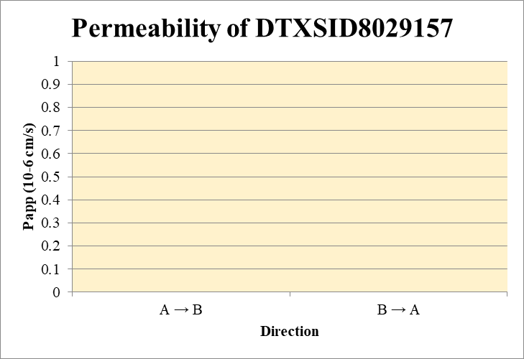
 |  |  |  |  |  | A → B
Blank 1_A_B__1______Inj EPA_Caco2_R5_Pa55_202026Sep_Inj003 | DTXSID8029157 | 203.1 / 129.1 | 85.82 | 9865000 | 8.6997E-06 | Donor | 0.0750 |  |  |  |  |  | A → B | 0.0 | 0.0
Blank 1_A_B__2______Inj EPA_Caco2_R5_Pa55_202026Sep_Inj004 | DTXSID8029157 | 203.1 / 129.1 | 73.01 | 9891000 | 7.3817E-06 | Receiver | 0.250 |  |  |  |  |  | B → A | 0.0 | 0.0
Blank 1_B_A__3______Inj EPA_Caco2_R5_Pa55_202026Sep_Inj005 | DTXSID8029157 | 203.1 / 129.1 | 8.883 | 9685000 | 9.172E-07 | Dosing | 0.0750 | 0.0196 | 0.0162 |  | 0.0179 | 0.00246
Blank 1_B_A__4______Inj EPA_Caco2_R5_Pa55_202026Sep_Inj006 | DTXSID8029157 | 203.1 / 129.1 | 91.26 | 9708000 | 0.0000094 | Standard
DTXSID8029157_A_B_rec_1______Inj EPA_Caco2_R5_Pa55_202026Sep_Inj033 | DTXSID8029157 | 203.1 / 129.1 | N/A | 9489000 | N/A | Blank |  | 8.70E-06 | 7.38E-06 |  | 8.04E-06 | 9.32E-07
DTXSID8029157_A_B_rec_2______Inj EPA_Caco2_R5_Pa55_202026Sep_Inj034 | DTXSID8029157 | 203.1 / 129.1 | N/A | 9574000 | N/A | dq/dt
DTXSID8029157_A_B_dos_1______Inj EPA_Caco2_R5_Pa55_202026Sep_Inj177 | DTXSID8029157 | 203.1 / 129.1 | 48920 | 9944000 | 0.0049193496 | Co |  | 0.0196 | 0.0162 |  | 0.0179 | 0.00246
DTXSID8029157_A_B_dos_2______Inj EPA_Caco2_R5_Pa55_202026Sep_Inj178 | DTXSID8029157 | 203.1 / 129.1 | 40620 | 10030000 | 0.0040484726 | Recovery |  | 0.0% | 0.0% |  | 0.0% | 0.0%
DTXSID8029157_A_B_don_1______Inj EPA_Caco2_R5_Pa55_202026Sep_Inj105 | DTXSID8029157 | 203.1 / 129.1 | N/A | 9921000 | N/A | Papp |  | 0.0 | 0.0 |  | 0.0 | 0.0
DTXSID8029157_A_B_don_2______Inj EPA_Caco2_R5_Pa55_202026Sep_Inj106 | DTXSID8029157 | 203.1 / 129.1 | N/A | 9946000 | N/A
DTXSID8029157_B_A_rec_1______Inj EPA_Caco2_R5_Pa55_202026Sep_Inj069 | DTXSID8029157 | 203.1 / 129.1 | N/A | 9871000 | N/A | B → A
DTXSID8029157_B_A_rec_2______Inj EPA_Caco2_R5_Pa55_202026Sep_Inj070 | DTXSID8029157 | 203.1 / 129.1 | N/A | 9951000 | N/A | Donor | 0.250 | 0.00905 | 0.00980 |  | 0.00943 | 0.000527
DTXSID8029157_B_A_dos_1______Inj EPA_Caco2_R5_Pa55_202026Sep_Inj213 | DTXSID8029157 | 203.1 / 129.1 | 50410 | 9812000 | 0.00513735 | Receiver | 0.0750
DTXSID8029157_B_A_dos_2______Inj EPA_Caco2_R5_Pa55_202026Sep_Inj214 | DTXSID8029157 | 203.1 / 129.1 | 41170 | 10180000 | 0.0040432541 | Dosing | 0.250 | 0.0205 | 0.0162 |  | 0.0183 | 0.00309
DTXSID8029157_B_A_don_1______Inj EPA_Caco2_R5_Pa55_202026Sep_Inj141 | DTXSID8029157 | 203.1 / 129.1 | 22420 | 9883000 | 0.0022686868 | Standard
DTXSID8029157_B_A_don_2______Inj EPA_Caco2_R5_Pa55_202026Sep_Inj142 | DTXSID8029157 | 203.1 / 129.1 | 23440 | 9547000 | 0.0024549716 | Blank |  | 9.17E-07 | 9.40E-06 |  | 5.16E-06 | 6.00E-06
 |  |  |  | Dilution | 4.00 | dq/dt |  |  |  |  |  |  | Test Article | Test Conc (µM) | Parameter | Papp (10-6 cm/s) Rep-1 | Papp (10-6 cm/s) Rep-2 | Papp (10-6 cm/s) Rep-3 | Recovery
 |  |  |  | Chamber Surface Area | 0.110 | Co |  | 0.0205 | 0.0162 |  | 0.0183 | 0.00309 |  |  | A → B | 0.0 | 0.0 |  | 0.0%
 |  |  |  | Sampling Period (hrs) | 2.00 | Recovery |  | 44.1% | 60.7% |  | 52.4% | 11.7% | DTXSID8029157 | 10.0 | B → A | 0.0 | 0.0 |  | 52.4%
 |  |  |  | Test Concentration (µM) | 10.0 | Papp |  | 0.0 | 0.0 |  | 0.0 | 0.0 |  |  | Efflux Ratio
 |  |  |  |  |  | Efflux Ratio

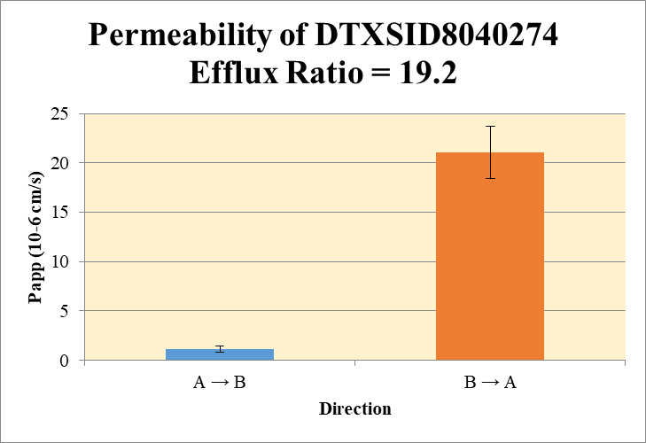
 |  |  |  |  |  | A → B
Blank 1_A_B__1______Inj EPA_Caco2_R5_Pa55_202026Sep_Inj003 | DTXSID8040274 | 314.9 / 258.9 | 72.8 | 9865000 | 7.3795E-06 | Donor | 0.0750 | 0.0125 | 0.00615 |  | 0.00932 | 0.00447 | A → B | 1.13 | 0.339
Blank 1_A_B__2______Inj EPA_Caco2_R5_Pa55_202026Sep_Inj004 | DTXSID8040274 | 314.9 / 258.9 | 84.36 | 9891000 | 8.5295E-06 | Receiver | 0.250 | 0.000172 | 0.000153 |  | 0.000162 | 1.35E-05 | B → A | 21.0 | 2.65
Blank 1_B_A__3______Inj EPA_Caco2_R5_Pa55_202026Sep_Inj005 | DTXSID8040274 | 314.9 / 258.9 | 59.14 | 9685000 | 6.1066E-06 | Dosing | 0.0750 | 0.0612 | 0.0353 |  | 0.0483 | 0.0183
Blank 1_B_A__4______Inj EPA_Caco2_R5_Pa55_202026Sep_Inj006 | DTXSID8040274 | 314.9 / 258.9 | 86.63 | 9708000 | 8.9235E-06 | Standard
DTXSID8040274_A_B_rec_1______Inj EPA_Caco2_R5_Pa55_202026Sep_Inj030 | DTXSID8040274 | 314.9 / 258.9 | 475.1 | 9331000 | 5.09166E-05 | Blank |  | 7.38E-06 | 8.53E-06 |  | 7.95E-06 | 8.13E-07
DTXSID8040274_A_B_rec_2______Inj EPA_Caco2_R5_Pa55_202026Sep_Inj031 | DTXSID8040274 | 314.9 / 258.9 | 439.7 | 9527000 | 4.61509E-05 | dq/dt |  | 5.97E-09 | 5.31E-09 |  | 5.64E-09 | 4.68E-10
DTXSID8040274_A_B_dos_1______Inj EPA_Caco2_R5_Pa55_202026Sep_Inj174 | DTXSID8040274 | 314.9 / 258.9 | 154000 | 10060000 | 0.0153031654 | Co |  | 0.0612 | 0.0353 |  | 0.0483 | 0.0183
DTXSID8040274_A_B_dos_2______Inj EPA_Caco2_R5_Pa55_202026Sep_Inj175 | DTXSID8040274 | 314.9 / 258.9 | 87070 | 9852000 | 0.0088377547 | Recovery |  | 21.3% | 18.9% |  | 20.1% | 1.75%
DTXSID8040274_A_B_don_1______Inj EPA_Caco2_R5_Pa55_202026Sep_Inj102 | DTXSID8040274 | 314.9 / 258.9 | 31960 | 10220000 | 0.0031276086 | Papp |  | 0.89 | 1.37 |  | 1.13 | 0.339
DTXSID8040274_A_B_don_2______Inj EPA_Caco2_R5_Pa55_202026Sep_Inj103 | DTXSID8040274 | 314.9 / 258.9 | 15580 | 10080000 | 0.0015463258
DTXSID8040274_B_A_rec_1______Inj EPA_Caco2_R5_Pa55_202026Sep_Inj066 | DTXSID8040274 | 314.9 / 258.9 | 25150 | 9855000 | 0.0025517047 | B → A
DTXSID8040274_B_A_rec_2______Inj EPA_Caco2_R5_Pa55_202026Sep_Inj067 | DTXSID8040274 | 314.9 / 258.9 | 20310 | 9538000 | 0.0021293319 | Donor | 0.250 | 0.0679 | 0.0629 |  | 0.0654 | 0.00355
DTXSID8040274_B_A_dos_1______Inj EPA_Caco2_R5_Pa55_202026Sep_Inj210 | DTXSID8040274 | 314.9 / 258.9 | 127800 | 10160000 | 0.012574559 | Receiver | 0.0750 | 0.0102 | 0.00849 |  | 0.00933 | 0.00119
DTXSID8040274_B_A_dos_2______Inj EPA_Caco2_R5_Pa55_202026Sep_Inj211 | DTXSID8040274 | 314.9 / 258.9 | 89700 | 10230000 | 0.0087720444 | Dosing | 0.250 | 0.0503 | 0.0351 |  | 0.0427 | 0.0108
DTXSID8040274_B_A_don_1______Inj EPA_Caco2_R5_Pa55_202026Sep_Inj138 | DTXSID8040274 | 314.9 / 258.9 | 166200 | 9790000 | 0.016980503 | Standard
DTXSID8040274_B_A_don_2______Inj EPA_Caco2_R5_Pa55_202026Sep_Inj139 | DTXSID8040274 | 314.9 / 258.9 | 153800 | 9780000 | 0.0157237781 | Blank |  | 6.11E-06 | 8.92E-06 |  | 7.52E-06 | 1.99E-06
 |  |  |  | Dilution | 4.00 | dq/dt |  | 1.06E-07 | 8.84E-08 |  | 9.72E-08 | 1.24E-08 | Test Article | Test Conc (µM) | Parameter | Papp (10-6 cm/s) Rep-1 | Papp (10-6 cm/s) Rep-2 | Papp (10-6 cm/s) Rep-3 | Recovery
 |  |  |  | Chamber Surface Area | 0.110 | Co |  | 0.0503 | 0.0351 |  | 0.0427 | 0.0108 |  |  | A → B | 0.89 | 1.37 |  | 20.1%
 |  |  |  | Sampling Period (hrs) | 2.00 | Recovery |  | 141% | 187% |  | 164% | 32.1% | DTXSID8040274 | 10.0 | B → A | 19.2 | 22.9 |  | 164%
 |  |  |  | Test Concentration (µM) | 10.0 | Papp |  | 19.2 | 22.9 |  | 21.0 | 2.65 |  |  | Efflux Ratio | 21.6 | 16.8
 |  |  |  |  |  | Efflux Ratio |  | 21.6 | 16.8 |  | 19.2 | 3.42

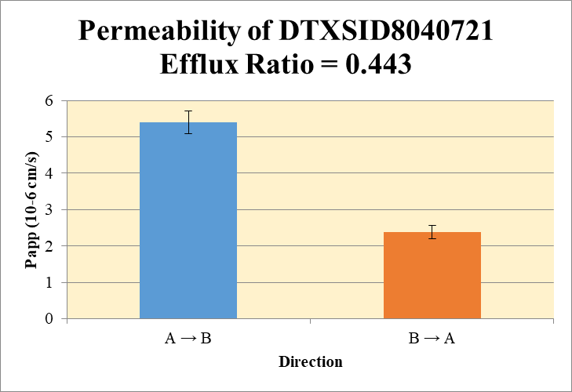
 |  |  |  |  |  | A → B
Blank 1_A_B__1______Inj EPA_Caco2_R5_Pa55_202026Sep_Inj003 | DTXSID8040721 | 181.0 / 81.0 | 82.66 | 9865000 | 0.000008379 | Donor | 0.0750 | 0.000740 | 0.000637 |  | 0.000689 | 7.29E-05 | A → B | 5.40 | 0.316
Blank 1_A_B__2______Inj EPA_Caco2_R5_Pa55_202026Sep_Inj004 | DTXSID8040721 | 181.0 / 81.0 | 105.7 | 9891000 | 1.06835E-05 | Receiver | 0.250 | 0.000331 | 0.000405 |  | 0.000368 | 5.28E-05 | B → A | 2.38 | 0.178
Blank 1_B_A__3______Inj EPA_Caco2_R5_Pa55_202026Sep_Inj005 | DTXSID8040721 | 181.0 / 81.0 | 170.3 | 9685000 | 1.75852E-05 | Dosing | 0.0750 | 0.0202 | 0.0228 |  | 0.0215 | 0.00183
Blank 1_B_A__4______Inj EPA_Caco2_R5_Pa55_202026Sep_Inj006 | DTXSID8040721 | 181.0 / 81.0 | 57.16 | 9708000 | 5.8877E-06 | Standard
DTXSID8040721_A_B_rec_1______Inj EPA_Caco2_R5_Pa55_202026Sep_Inj036 | DTXSID8040721 | 181.0 / 81.0 | 896.7 | 9725000 | 9.22087E-05 | Blank |  | 8.38E-06 | 1.07E-05 |  | 9.53E-06 | 1.63E-06
DTXSID8040721_A_B_rec_2______Inj EPA_Caco2_R5_Pa55_202026Sep_Inj037 | DTXSID8040721 | 181.0 / 81.0 | 1071 | 9662000 | 0.0001108774 | dq/dt |  | 1.15E-08 | 1.41E-08 |  | 1.28E-08 | 1.83E-09
DTXSID8040721_A_B_dos_1______Inj EPA_Caco2_R5_Pa55_202026Sep_Inj180 | DTXSID8040721 | 181.0 / 81.0 | 51970 | 10280000 | 0.0050534117 | Co |  | 0.0202 | 0.0228 |  | 0.0215 | 0.00183
DTXSID8040721_A_B_dos_2______Inj EPA_Caco2_R5_Pa55_202026Sep_Inj181 | DTXSID8040721 | 181.0 / 81.0 | 57170 | 10030000 | 0.0057012039 | Recovery |  | 9.13% | 8.73% |  | 8.93% | 0.282%
DTXSID8040721_A_B_don_1______Inj EPA_Caco2_R5_Pa55_202026Sep_Inj108 | DTXSID8040721 | 181.0 / 81.0 | 1918 | 9854000 | 0.0001945888 | Papp |  | 5.17 | 5.62 |  | 5.40 | 0.316
DTXSID8040721_A_B_don_2______Inj EPA_Caco2_R5_Pa55_202026Sep_Inj109 | DTXSID8040721 | 181.0 / 81.0 | 1653 | 9793000 | 0.0001688024
DTXSID8040721_B_A_rec_1______Inj EPA_Caco2_R5_Pa55_202026Sep_Inj072 | DTXSID8040721 | 181.0 / 81.0 | 1588 | 9688000 | 0.0001638649 | B → A
DTXSID8040721_B_A_rec_2______Inj EPA_Caco2_R5_Pa55_202026Sep_Inj073 | DTXSID8040721 | 181.0 / 81.0 | 1232 | 9297000 | 0.0001324856 | Donor | 0.250 | 0.0157 | 0.0141 |  | 0.0149 | 0.00113
DTXSID8040721_B_A_dos_1______Inj EPA_Caco2_R5_Pa55_202026Sep_Inj216 | DTXSID8040721 | 181.0 / 81.0 | 55310 | 9607000 | 0.0057577072 | Receiver | 0.0750 | 0.000609 | 0.000483 |  | 0.000546 | 8.88E-05
DTXSID8040721_B_A_dos_2______Inj EPA_Caco2_R5_Pa55_202026Sep_Inj217 | DTXSID8040721 | 181.0 / 81.0 | 50880 | 10020000 | 0.0050800874 | Dosing | 0.250 | 0.0230 | 0.0203 |  | 0.0216 | 0.00192
DTXSID8040721_B_A_don_1______Inj EPA_Caco2_R5_Pa55_202026Sep_Inj144 | DTXSID8040721 | 181.0 / 81.0 | 39100 | 9915000 | 0.0039434316 | Standard
DTXSID8040721_B_A_don_2______Inj EPA_Caco2_R5_Pa55_202026Sep_Inj145 | DTXSID8040721 | 181.0 / 81.0 | 35520 | 10020000 | 0.0035447598 | Blank |  | 1.76E-05 | 5.89E-06 |  | 1.17E-05 | 8.27E-06
 |  |  |  | Dilution | 4.00 | dq/dt |  | 6.34E-09 | 5.03E-09 |  | 5.68E-09 | 9.25E-10 | Test Article | Test Conc (µM) | Parameter | Papp (10-6 cm/s) Rep-1 | Papp (10-6 cm/s) Rep-2 | Papp (10-6 cm/s) Rep-3 | Recovery
 |  |  |  | Chamber Surface Area | 0.110 | Co |  | 0.0230 | 0.0203 |  | 0.0216 | 0.00192 |  |  | A → B | 5.17 | 5.62 |  | 8.93%
 |  |  |  | Sampling Period (hrs) | 2.00 | Recovery |  | 69.2% | 70.4% |  | 69.8% | 0.850% | DTXSID8040721 | 10.0 | B → A | 2.51 | 2.26 |  | 69.8%
 |  |  |  | Test Concentration (µM) | 10.0 | Papp |  | 2.51 | 2.26 |  | 2.38 | 0.178 |  |  | Efflux Ratio | 0.485 | 0.401
 |  |  |  |  |  | Efflux Ratio |  | 0.485 | 0.401 |  | 0.443 | 0.0588


 |  |  |  |  |  | A → B
Blank 1_A_B__1______Inj EPA_Caco2_R5_Pa55_202026Sep_Inj003 | DTXSID9025403 | 207.1 / 123.0 | 148.8 | 9865000 | 1.50845E-05 | Donor | 0.0750 |  |  |  |  |  | A → B | 0.0 | 0.0
Blank 1_A_B__2______Inj EPA_Caco2_R5_Pa55_202026Sep_Inj004 | DTXSID9025403 | 207.1 / 123.0 | 249.6 | 9891000 | 0.000025239 | Receiver | 0.250 |  |  |  |  |  | B → A | 0.0 | 0.0
Blank 1_B_A__3______Inj EPA_Caco2_R5_Pa55_202026Sep_Inj005 | DTXSID9025403 | 207.1 / 123.0 | 271.2 | 9685000 | 2.80072E-05 | Dosing | 0.0750 | 0.00163 | 0.00160 |  | 0.00162 | 2.26E-05
Blank 1_B_A__4______Inj EPA_Caco2_R5_Pa55_202026Sep_Inj006 | DTXSID9025403 | 207.1 / 123.0 | 206.8 | 9708000 | 2.13034E-05 | Standard
DTXSID9025403_A_B_rec_1______Inj EPA_Caco2_R5_Pa55_202026Sep_Inj038 | DTXSID9025403 | 207.1 / 123.0 | N/A | 10440000 | N/A | Blank |  | 1.51E-05 | 2.52E-05 |  | 2.02E-05 | 7.18E-06
DTXSID9025403_A_B_rec_2______Inj EPA_Caco2_R5_Pa55_202026Sep_Inj039 | DTXSID9025403 | 207.1 / 123.0 | N/A | 9396000 | N/A | dq/dt
DTXSID9025403_A_B_dos_1______Inj EPA_Caco2_R5_Pa55_202026Sep_Inj182 | DTXSID9025403 | 207.1 / 123.0 | 4689 | 10950000 | 0.0004280631 | Co |  | 0.00163 | 0.00160 |  | 0.00162 | 2.26E-05
DTXSID9025403_A_B_dos_2______Inj EPA_Caco2_R5_Pa55_202026Sep_Inj183 | DTXSID9025403 | 207.1 / 123.0 | 4942 | 11760000 | 0.0004200793 | Recovery |  | 0.0% | 0.0% |  | 0.0% | 0.0%
DTXSID9025403_A_B_don_1______Inj EPA_Caco2_R5_Pa55_202026Sep_Inj110 | DTXSID9025403 | 207.1 / 123.0 | N/A | 10240000 | N/A | Papp |  | 0.0 | 0.0 |  | 0.0 | 0.0
DTXSID9025403_A_B_don_2______Inj EPA_Caco2_R5_Pa55_202026Sep_Inj111 | DTXSID9025403 | 207.1 / 123.0 | N/A | 10340000 | N/A
DTXSID9025403_B_A_rec_1______Inj EPA_Caco2_R5_Pa55_202026Sep_Inj074 | DTXSID9025403 | 207.1 / 123.0 | N/A | 10080000 | N/A | B → A
DTXSID9025403_B_A_rec_2______Inj EPA_Caco2_R5_Pa55_202026Sep_Inj075 | DTXSID9025403 | 207.1 / 123.0 | N/A | 10490000 | N/A | Donor | 0.250 | 0.000525 | 0.000456 |  | 0.000491 | 4.87E-05
DTXSID9025403_B_A_dos_1______Inj EPA_Caco2_R5_Pa55_202026Sep_Inj218 | DTXSID9025403 | 207.1 / 123.0 | 4122 | 10520000 | 0.0003918945 | Receiver | 0.0750
DTXSID9025403_B_A_dos_2______Inj EPA_Caco2_R5_Pa55_202026Sep_Inj219 | DTXSID9025403 | 207.1 / 123.0 | 3031 | 10610000 | 0.0002857758 | Dosing | 0.250 | 0.00147 | 0.00104 |  | 0.00126 | 0.000300
DTXSID9025403_B_A_don_1______Inj EPA_Caco2_R5_Pa55_202026Sep_Inj146 | DTXSID9025403 | 207.1 / 123.0 | 1514 | 9713000 | 0.0001559146 | Standard
DTXSID9025403_B_A_don_2______Inj EPA_Caco2_R5_Pa55_202026Sep_Inj147 | DTXSID9025403 | 207.1 / 123.0 | 1332 | 9604000 | 0.0001387061 | Blank |  | 2.80E-05 | 2.13E-05 |  | 2.47E-05 | 4.74E-06
 |  |  |  | Dilution | 4.00 | dq/dt |  |  |  |  |  |  | Test Article | Test Conc (µM) | Parameter | Papp (10-6 cm/s) Rep-1 | Papp (10-6 cm/s) Rep-2 | Papp (10-6 cm/s) Rep-3 | Recovery
 |  |  |  | Chamber Surface Area | 0.110 | Co |  | 0.00147 | 0.00104 |  | 0.00126 | 0.000300 |  |  | A → B | 0.0 | 0.0 |  | 0.0%
 |  |  |  | Sampling Period (hrs) | 2.00 | Recovery |  | 35.7% | 43.7% |  | 39.7% | 5.61% | DTXSID9025403 | 10.0 | B → A | 0.0 | 0.0 |  | 39.7%
 |  |  |  | Test Concentration (µM) | 10.0 | Papp |  | 0.0 | 0.0 |  | 0.0 | 0.0 |  |  | Efflux Ratio
 |  |  |  |  |  | Efflux Ratio

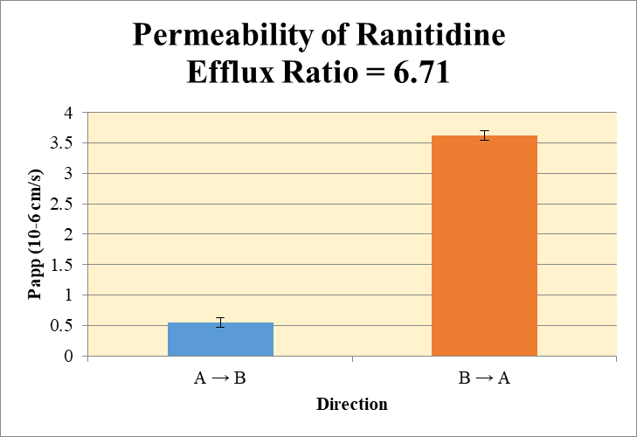
 |  |  |  |  |  | A → B
Blank 1_A_B__1______Inj EPA_Caco2_R5_Pa55_202026Sep_Inj003 | Ranitidine | 315.1 / 176.1 | 218.9 | 9865000 | 2.21906E-05 | Donor | 0.0750 | 13.4 | 13.6 |  | 13.5 | 0.169 | A → B | 0.546 | 0.0762
Blank 1_A_B__2______Inj EPA_Caco2_R5_Pa55_202026Sep_Inj004 | Ranitidine | 315.1 / 176.1 | 300.9 | 9891000 | 0.000030418 | Receiver | 0.250 | 0.0300 | 0.0240 |  | 0.0270 | 0.00426 | B → A | 3.63 | 0.0803
Blank 1_B_A__3______Inj EPA_Caco2_R5_Pa55_202026Sep_Inj005 | Ranitidine | 315.1 / 176.1 | 86.1 | 9685000 | 8.8903E-06 | Dosing | 0.0750 | 15.8 | 15.4 |  | 15.6 | 0.288
Blank 1_B_A__4______Inj EPA_Caco2_R5_Pa55_202026Sep_Inj006 | Ranitidine | 315.1 / 176.1 | 261.2 | 9708000 | 2.69008E-05 | Standard
Ranitidine_A_B_rec_1______Inj EPA_Caco2_R5_Pa55_202026Sep_Inj007 | Ranitidine | 315.1 / 176.1 | 73030 | 9701000 | 0.0075284758 | Blank |  | 2.22E-05 | 3.04E-05 |  | 2.63E-05 | 5.82E-06
Ranitidine_A_B_rec_2______Inj EPA_Caco2_R5_Pa55_202026Sep_Inj008 | Ranitidine | 315.1 / 176.1 | 56060 | 9308000 | 0.0060227503 | dq/dt |  | 1.04E-06 | 8.33E-07 |  | 9.37E-07 | 1.48E-07
Ranitidine_A_B_dos_1______Inj EPA_Caco2_R5_Pa55_202026Sep_Inj151 | Ranitidine | 315.1 / 176.1 | 38440000 | 9741000 | 3.9460495277 | Co |  | 15.8 | 15.4 |  | 15.6 | 0.288
Ranitidine_A_B_dos_2______Inj EPA_Caco2_R5_Pa55_202026Sep_Inj152 | Ranitidine | 315.1 / 176.1 | 38620000 | 10040000 | 3.8443535077 | Recovery |  | 85.5% | 89.2% |  | 87.3% | 2.61%
Ranitidine_A_B_don_1______Inj EPA_Caco2_R5_Pa55_202026Sep_Inj079 | Ranitidine | 315.1 / 176.1 | 34780000 | 10390000 | 3.3480515423 | Papp |  | 0.600 | 0.492 |  | 0.546 | 0.0762
Ranitidine_A_B_don_2______Inj EPA_Caco2_R5_Pa55_202026Sep_Inj080 | Ranitidine | 315.1 / 176.1 | 33150000 | 9726000 | 3.4077933639
Ranitidine_B_A_rec_1______Inj EPA_Caco2_R5_Pa55_202026Sep_Inj043 | Ranitidine | 315.1 / 176.1 | 1293000 | 9518000 | 0.1358971662 | B → A
Ranitidine_B_A_rec_2______Inj EPA_Caco2_R5_Pa55_202026Sep_Inj044 | Ranitidine | 315.1 / 176.1 | 1504000 | 10000000 | 0.150342295 | Donor | 0.250 | 15.1 | 14.4 |  | 14.7 | 0.495
Ranitidine_B_A_dos_1______Inj EPA_Caco2_R5_Pa55_202026Sep_Inj187 | Ranitidine | 315.1 / 176.1 | 37380000 | 10370000 | 3.6043679928 | Receiver | 0.0750 | 0.544 | 0.601 |  | 0.572 | 0.0409
Ranitidine_B_A_dos_2______Inj EPA_Caco2_R5_Pa55_202026Sep_Inj188 | Ranitidine | 315.1 / 176.1 | 38070000 | 9851000 | 3.8646645991 | Dosing | 0.250 | 14.4 | 15.5 |  | 14.9 | 0.736
Ranitidine_B_A_don_1______Inj EPA_Caco2_R5_Pa55_202026Sep_Inj115 | Ranitidine | 315.1 / 176.1 | 37100000 | 9857000 | 3.7639080792 | Standard
Ranitidine_B_A_don_2______Inj EPA_Caco2_R5_Pa55_202026Sep_Inj116 | Ranitidine | 315.1 / 176.1 | 35250000 | 9823000 | 3.5888489249 | Blank |  | 8.89E-06 | 2.69E-05 |  | 1.79E-05 | 1.27E-05
 |  |  |  | Dilution | 4.00 | dq/dt |  | 5.66E-06 | 6.26E-06 |  | 5.96E-06 | 4.26E-07 | Test Article | Test Conc (µM) | Parameter | Papp (10-6 cm/s) Rep-1 | Papp (10-6 cm/s) Rep-2 | Papp (10-6 cm/s) Rep-3 | Recovery
 |  |  |  | Chamber Surface Area | 0.110 | Co |  | 14.4 | 15.5 |  | 14.9 | 0.736 |  |  | A → B | 0.600 | 0.492 |  | 87.3%
 |  |  |  | Sampling Period (hrs) | 2.00 | Recovery |  | 106% | 94.0% |  | 99.8% | 8.15% | Ranitidine | 10.0 | B → A | 3.57 | 3.68 |  | 99.8%
 |  |  |  | Test Concentration (µM) | 10.0 | Papp |  | 3.57 | 3.68 |  | 3.63 | 0.0803 |  |  | Efflux Ratio | 5.95 | 7.48
 |  |  |  |  |  | Efflux Ratio |  | 5.95 | 7.48 |  | 6.71 | 1.08

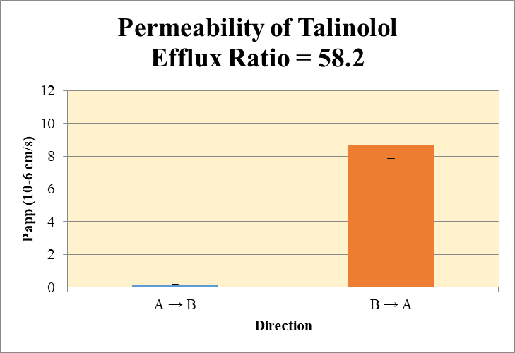
 |  |  |  |  |  | A → B
Blank 1_A_B__1______Inj EPA_Caco2_R5_Pa55_202026Sep_Inj003 | Talinolol | 364.0 / 308.2 | 153.3 | 9865000 | 1.55367E-05 | Donor | 0.0750 | 39.2 | 35.0 |  | 37.1 | 2.94 | A → B | 0.150 | 0.0266
Blank 1_A_B__2______Inj EPA_Caco2_R5_Pa55_202026Sep_Inj004 | Talinolol | 364.0 / 308.2 | 164.1 | 9891000 | 1.65874E-05 | Receiver | 0.250 | 0.0265 | 0.0193 |  | 0.0229 | 0.00509 | B → A | 8.68 | 0.845
Blank 1_B_A__3______Inj EPA_Caco2_R5_Pa55_202026Sep_Inj005 | Talinolol | 364.0 / 308.2 | 179.4 | 9685000 | 1.85282E-05 | Dosing | 0.0750 | 49.5 | 46.4 |  | 47.9 | 2.19
Blank 1_B_A__4______Inj EPA_Caco2_R5_Pa55_202026Sep_Inj006 | Talinolol | 364.0 / 308.2 | N/A | 9708000 | N/A | Standard
Talinolol_A_B_rec_1______Inj EPA_Caco2_R5_Pa55_202026Sep_Inj009 | Talinolol | 364.0 / 308.2 | 64560 | 9727000 | 0.0066379111 | Blank |  | 1.55E-05 | 1.66E-05 |  | 1.61E-05 | 7.43E-07
Talinolol_A_B_rec_2______Inj EPA_Caco2_R5_Pa55_202026Sep_Inj010 | Talinolol | 364.0 / 308.2 | 46260 | 9559000 | 0.0048400697 | dq/dt |  | 9.20E-07 | 6.70E-07 |  | 7.95E-07 | 1.77E-07
Talinolol_A_B_dos_1______Inj EPA_Caco2_R5_Pa55_202026Sep_Inj153 | Talinolol | 364.0 / 308.2 | 123100000 | 9951000 | 12.372021962 | Co |  | 49.5 | 46.4 |  | 47.9 | 2.19
Talinolol_A_B_dos_2______Inj EPA_Caco2_R5_Pa55_202026Sep_Inj154 | Talinolol | 364.0 / 308.2 | 114500000 | 9875000 | 11.598327942 | Recovery |  | 79.4% | 75.7% |  | 77.5% | 2.62%
Talinolol_A_B_don_1______Inj EPA_Caco2_R5_Pa55_202026Sep_Inj081 | Talinolol | 364.0 / 308.2 | 98390000 | 10040000 | 9.7965797068 | Papp |  | 0.169 | 0.131 |  | 0.150 | 0.0266
Talinolol_A_B_don_2______Inj EPA_Caco2_R5_Pa55_202026Sep_Inj082 | Talinolol | 364.0 / 308.2 | 84460000 | 9643000 | 8.7586359988
Talinolol_B_A_rec_1______Inj EPA_Caco2_R5_Pa55_202026Sep_Inj045 | Talinolol | 364.0 / 308.2 | 11000000 | 10090000 | 1.090282717 | B → A
Talinolol_B_A_rec_2______Inj EPA_Caco2_R5_Pa55_202026Sep_Inj046 | Talinolol | 364.0 / 308.2 | 10560000 | 9970000 | 1.0592700351 | Donor | 0.250 | 41.6 | 39.7 |  | 40.6 | 1.32
Talinolol_B_A_dos_1______Inj EPA_Caco2_R5_Pa55_202026Sep_Inj189 | Talinolol | 364.0 / 308.2 | 115400000 | 10370000 | 11.127656641 | Receiver | 0.0750 | 4.36 | 4.24 |  | 4.30 | 0.0877
Talinolol_B_A_dos_2______Inj EPA_Caco2_R5_Pa55_202026Sep_Inj190 | Talinolol | 364.0 / 308.2 | 121900000 | 9821000 | 12.409331278 | Dosing | 0.250 | 44.5 | 49.6 |  | 47.1 | 3.63
Talinolol_B_A_don_1______Inj EPA_Caco2_R5_Pa55_202026Sep_Inj117 | Talinolol | 364.0 / 308.2 | 97950000 | 9422000 | 10.396442139 | Standard
Talinolol_B_A_don_2______Inj EPA_Caco2_R5_Pa55_202026Sep_Inj118 | Talinolol | 364.0 / 308.2 | 96270000 | 9697000 | 9.9284466377 | Blank |  | 1.85E-05 | N/A |  | 1.85E-05
 |  |  |  | Dilution | 4.00 | dq/dt |  | 4.54E-05 | 4.41E-05 |  | 4.48E-05 | 9.14E-07 | Test Article | Test Conc (µM) | Parameter | Papp (10-6 cm/s) Rep-1 | Papp (10-6 cm/s) Rep-2 | Papp (10-6 cm/s) Rep-3 | Recovery
 |  |  |  | Chamber Surface Area | 0.110 | Co |  | 44.5 | 49.6 |  | 47.1 | 3.63 |  |  | A → B | 0.169 | 0.131 |  | 77.5%
 |  |  |  | Sampling Period (hrs) | 2.00 | Recovery |  | 96.4% | 82.6% |  | 89.5% | 9.76% | Talinolol | 10.0 | B → A | 9.28 | 8.08 |  | 89.5%
 |  |  |  | Test Concentration (µM) | 10.0 | Papp |  | 9.28 | 8.08 |  | 8.68 | 0.845 |  |  | Efflux Ratio | 54.9 | 61.6
 |  |  |  |  |  | Efflux Ratio |  | 54.9 | 61.6 |  | 58.2 | 4.70

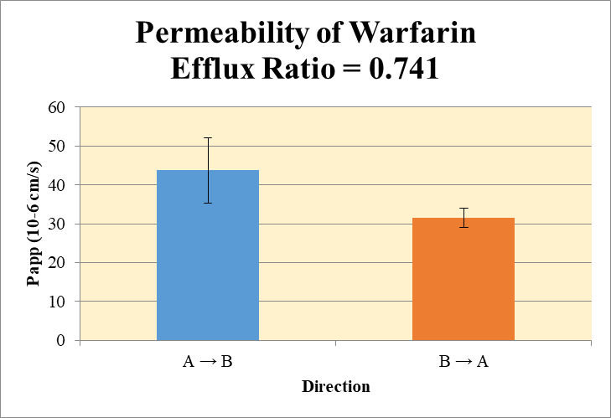
 |  |  |  |  |  | A → B
Blank 1_A_B__1______Inj EPA_Caco2_R5_Pa55_202026Sep_Inj003 | Warfarin | 309.1 / 163.1 | 226.1 | 9865000 | 2.29146E-05 | Donor | 0.0750 | 21.6 | 22.2 |  | 21.9 | 0.437 | A → B | 43.7 | 8.37
Blank 1_A_B__2______Inj EPA_Caco2_R5_Pa55_202026Sep_Inj004 | Warfarin | 309.1 / 163.1 | 147.5 | 9891000 | 1.49166E-05 | Receiver | 0.250 | 6.12 | 4.68 |  | 5.40 | 1.02 | B → A | 31.6 | 2.46
Blank 1_B_A__3______Inj EPA_Caco2_R5_Pa55_202026Sep_Inj005 | Warfarin | 309.1 / 163.1 | 510.7 | 9685000 | 5.27323E-05 | Dosing | 0.0750 | 38.9 | 39.1 |  | 39.0 | 0.120
Blank 1_B_A__4______Inj EPA_Caco2_R5_Pa55_202026Sep_Inj006 | Warfarin | 309.1 / 163.1 | 120.5 | 9708000 | 1.24174E-05 | Standard
Warfarin_A_B_rec_1______Inj EPA_Caco2_R5_Pa55_202026Sep_Inj013 | Warfarin | 309.1 / 163.1 | 14680000 | 9597000 | 1.5300280712 | Blank |  | 2.29E-05 | 1.49E-05 |  | 1.89E-05 | 5.66E-06
Warfarin_A_B_rec_2______Inj EPA_Caco2_R5_Pa55_202026Sep_Inj014 | Warfarin | 309.1 / 163.1 | 11130000 | 9514000 | 1.1701897946 | dq/dt |  | 0.000213 | 0.000163 |  | 0.000188 | 3.53E-05
Warfarin_A_B_dos_1______Inj EPA_Caco2_R5_Pa55_202026Sep_Inj157 | Warfarin | 309.1 / 163.1 | 97090000 | 9980000 | 9.7286496427 | Co |  | 38.9 | 39.1 |  | 39.0 | 0.120
Warfarin_A_B_dos_2______Inj EPA_Caco2_R5_Pa55_202026Sep_Inj158 | Warfarin | 309.1 / 163.1 | 99890000 | 10220000 | 9.7711759273 | Recovery |  | 108% | 96.7% |  | 102% | 7.89%
Warfarin_A_B_don_1______Inj EPA_Caco2_R5_Pa55_202026Sep_Inj085 | Warfarin | 309.1 / 163.1 | 54680000 | 10140000 | 5.3921477969 | Papp |  | 49.6 | 37.8 |  | 43.7 | 8.37
Warfarin_A_B_don_2______Inj EPA_Caco2_R5_Pa55_202026Sep_Inj086 | Warfarin | 309.1 / 163.1 | 54190000 | 9769000 | 5.5465607634
Warfarin_B_A_rec_1______Inj EPA_Caco2_R5_Pa55_202026Sep_Inj049 | Warfarin | 309.1 / 163.1 | 28080000 | 9822000 | 2.8587616211 | B → A
Warfarin_B_A_rec_2______Inj EPA_Caco2_R5_Pa55_202026Sep_Inj050 | Warfarin | 309.1 / 163.1 | 34270000 | 9799000 | 3.4977033991 | Donor | 0.250 | 35.2 | 32.4 |  | 33.8 | 2.00
Warfarin_B_A_dos_1______Inj EPA_Caco2_R5_Pa55_202026Sep_Inj193 | Warfarin | 309.1 / 163.1 | 96100000 | 10590000 | 9.0762608902 | Receiver | 0.0750 | 11.4 | 14.0 |  | 12.7 | 1.81
Warfarin_B_A_dos_2______Inj EPA_Caco2_R5_Pa55_202026Sep_Inj194 | Warfarin | 309.1 / 163.1 | 99160000 | 9972000 | 9.9430056004 | Dosing | 0.250 | 36.3 | 39.8 |  | 38.0 | 2.45
Warfarin_B_A_don_1______Inj EPA_Caco2_R5_Pa55_202026Sep_Inj121 | Warfarin | 309.1 / 163.1 | 83940000 | 9541000 | 8.7982087854 | Standard
Warfarin_B_A_don_2______Inj EPA_Caco2_R5_Pa55_202026Sep_Inj122 | Warfarin | 309.1 / 163.1 | 80350000 | 9931000 | 8.0904998394 | Blank |  | 5.27E-05 | 1.24E-05 |  | 3.26E-05 | 2.85E-05
 |  |  |  | Dilution | 4.00 | dq/dt |  | 0.000119 | 0.000146 |  | 0.000132 | 1.88E-05 | Test Article | Test Conc (µM) | Parameter | Papp (10-6 cm/s) Rep-1 | Papp (10-6 cm/s) Rep-2 | Papp (10-6 cm/s) Rep-3 | Recovery
 |  |  |  | Chamber Surface Area | 0.110 | Co |  | 36.3 | 39.8 |  | 38.0 | 2.45 |  |  | A → B | 49.6 | 37.8 |  | 102%
 |  |  |  | Sampling Period (hrs) | 2.00 | Recovery |  | 106% | 91.9% |  | 99.2% | 10.2% | Warfarin | 10.0 | B → A | 29.8 | 33.3 |  | 99.2%
 |  |  |  | Test Concentration (µM) | 10.0 | Papp |  | 29.8 | 33.3 |  | 31.6 | 2.46 |  |  | Efflux Ratio | 0.601 | 0.881
 |  |  |  |  |  | Efflux Ratio |  | 0.601 | 0.881 |  | 0.741 | 0.198

